Main Sheet
Component Name | Screenshot | Attri | OLD | PDP | Journey | APD | CLP | PLP | Services/Web | Banners | Horizontal
Check_Loan_Eligibility | 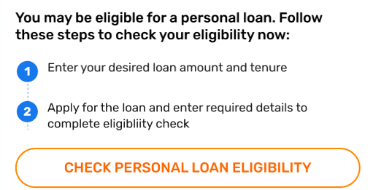 | Check Personal Loan Eligibility | ctas_card
Success Scenarios |  | 1. Success Screen 2. Success Message | journey_end_card |  | Y |  |  |  | Services
Top_Navigation_Bar_Header |  | 1. Back Icon 2. Cross Icon 3.icon click | header |  |  |  | Y | Y
CTA_Strip_Card | 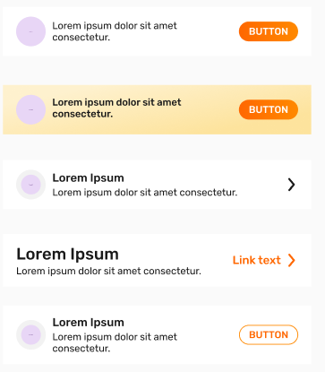 | 1. Full Card Click 2. Icon/Button Click |  | Y | Y |  | Y | Y | Services
Master_CTA_Button |  | 1. Button click 2. Error Validation(Y/N) at Click 3. Error Message | ctas_card | Y | Y |  | Y | Y | Services
details_card |  | I icon | tooltip |  |  |  |  |  | Services
Template_Overlay_LoadingScreen | 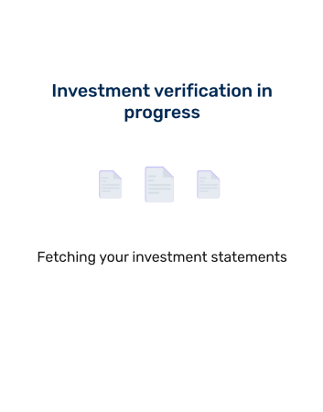 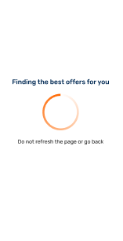 | I icon | tooltip | Y | Y
Tooltips |  | 1. Cross Icon 2. Got It 3. Heading(Investment veri…) | tooltip | Y | Y |  |  |  | Services
Failure Scenarios |  | 1. Button click 2. Heading(Unable to find….) 3. Full error Message | failure_scenarios |  | Y
Drawer_AutoFetch_Input_Auto_fill_Forms_Description_Experian | 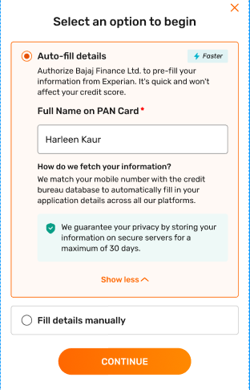 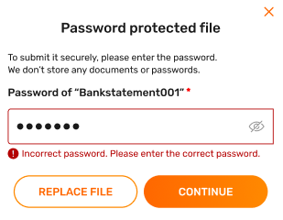 | 1. Cross icon 2. Continue 3. Show more/less 4. Radio Selection 5. Input box click and name 6. Error field level 7. Error Validation(Y/N) at Continue | autofill_popup | Y | Y
Toast message |  | Text message | toast_message | Y | Y
Input_Text_Field | 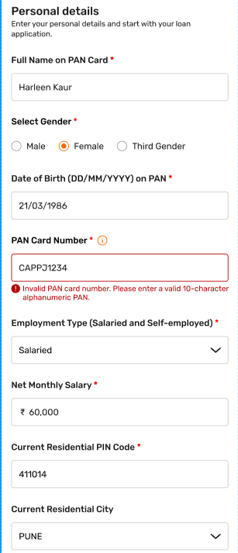 | 1. I icons 2. Field level errors 3. Error Validation(Y/N) at Click | product_form |  | Y |  |  |  | Services
Terms_and_conditions |  | 1. Terms and Conditions 2. Checkbox click(Yes/No) 3. Error Validation(Y/N) 4. Error message | commercial_t&c |  | Y
Permission | 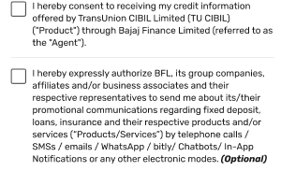 | 1. Check box click(Yes/No) 2. Error Validation(Y/N) 3. Error Message | commercial_t&c |  |  |  |  |  | Services
CTA_Group_CTA |  | 1. Buttons Click 2. Error Validation(Y/N) at Click 3. Error Message | ctas_card | Y | Y |  |  |  | Services
Popup_List_Selection | 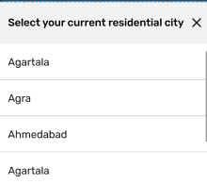 | 1. Option selection 2. Cross icon 3. Heading(Select your resi….) | pop_up_with_selection |  | Y |  | Y |  | Services
Forms_Summary_of_our_Terms_&_Conditions | 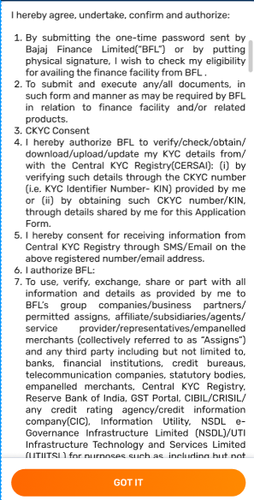 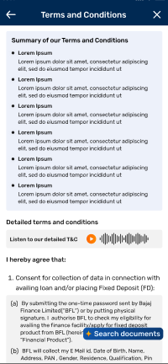 | Got It | commercial_t&c | Y | Y
Tooltips |  | Got It | tooltip | Y | Y
Link_CTA |  | 1. Heading( Visit Store…) 2. Store name( B.U Bhandari Honda….) 3. Direction Click 4. URL | ctas_card |  | Y |  |  | Y | Services
Drawer_List_of_Documents_Content | 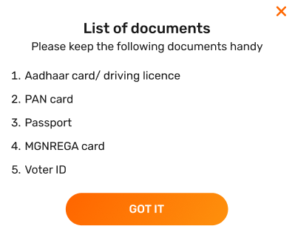 | 1. Got It 2. Cross Icon 3. Heading(List of Documents…) | tooltip |  | Y
Product_Card_2x2_3x3_2X3_4x1_Grid_Circular_Square_Tiles_Stack | 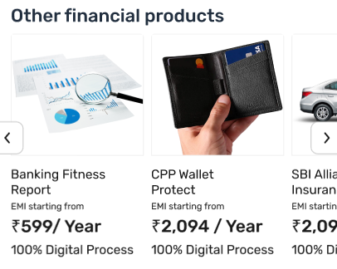 | 1. Heading(Other products…..) 2. Card Click 3. URL/Position 4. Text (Personal Loan…...) 5. Icon click(Slider) | listing_tiles |  | Y |  |  |  | Services
Monetization_Hero_Carousel_Advertisement_2:1_Banner / monetization_hero_carousel | 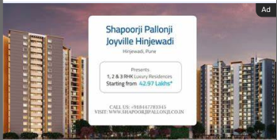 | 1. Ad Click 2. URL/Position | monetization_banner | Y | Y |  | Y
Offline Page | 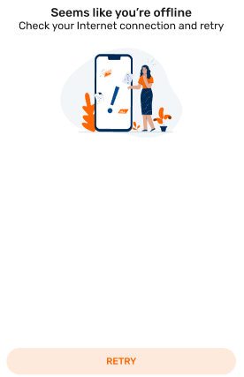 | 1. Error Screen 2. Error message on screen 3. Button click | overlay_loading_screen |  | Y |  |  |  | Services
CTA_Strip_Card | 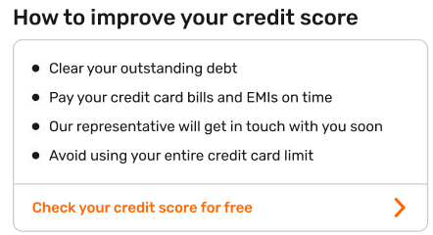 | 1. Check your Credit scocre for Free 2. URL | ctas_card |  | Y |  | Y
CTA_Full_Bleed_Strip_Banner |  | 1. Banner Click 2. URL | banner_carousel |  | Y |  | Y |  | Services
Drawer_Popup_Navigation_Guide_Bottom_Screenshot_Redirection | 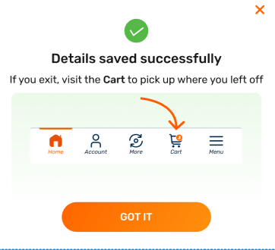 | 1. Got It 2. Cross Icon 3. Heading(Details….) | tooltip | Y | Y
Drawer_Leaving_Confirmation | 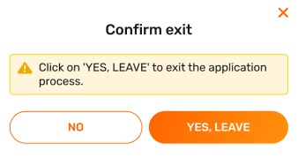 | 1. Cross icon 2. Buttons click 3. Heading(Confirm Exit) | popup_with_2_ctas |  | Y
Drawer_Feedback_Input_Checkbox | 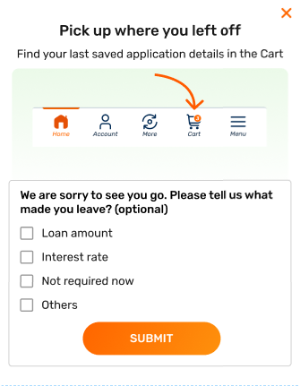 | 1. Cross Icon 2. Submit 3. Option/s selected 4. Heading( Pick up where….) 5. Error Validation(Y/N) 6. Error Message | tooltip |  | Y |  |  |  | Services
Carousel_Banner_360° | 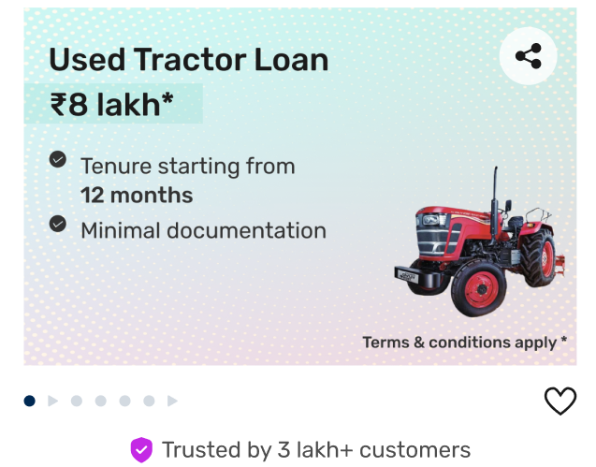 | 1. Banner click 2. Like Icon 3. Position/URL | carousel_banner_360° | Y |  |  | Y | Y
navigation_tabs_header_selection |  | 1. Tabs Click 2. Arrow up Click | secondary_navigation | Y
Loan_Amount_Input_PDP |  | 1. Loan Amount 2. Error Message 3. Error Validation(Y/N) | product_form | Y |  |  |  |  | Services
Input_Chips |  | 1. Tenure selection 2. I icon 3. Error Validation(Y/N) 4. Error Message | product_form | Y |  |  | Y |  | Services
EMI_Information_Card_Display_Summary_Progress | 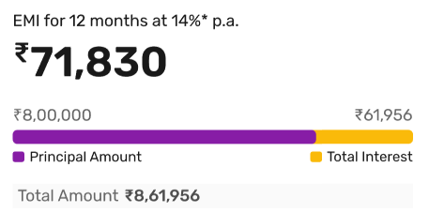 | 1. Tenure 2. EMI 3. Loan Amount 4. Interest Rate 5. Total Amount | Line bar
Content_Cards_FAQ’s_List | 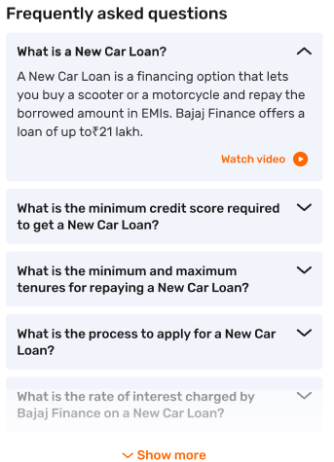 | 1. Watch Video 2. Arrow up/down icons 3. Show more/less 4. Other Hyperlinks | faq | Y | Y |  | Y | Y
SKU_Card_Offer_World_Product | 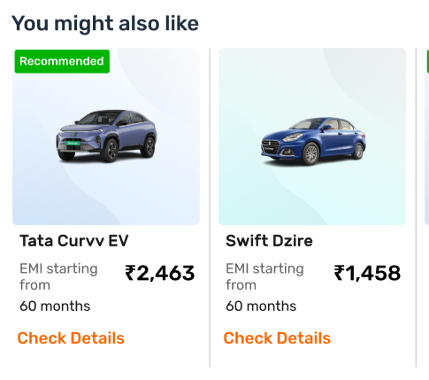 | 1. Cards Click 2. Check details 3. Component Heading(You might also like..) 4. Position/URL 5. Tractor Name(Text below card) | recommended_product_carousel_component
Product_Card_Product_Video_Carousel |  | 1. Video Click 2. URL/Position 3. Compoent Heading(Watch our videos….) | articles_and_videos | Y | Y |  | Y | Y | Services
Disclaimer | Disclaimer | terms and conditions apply | commercial_t&c | Y |  |  | Y | Y | Services
Cart_SKU_Product | 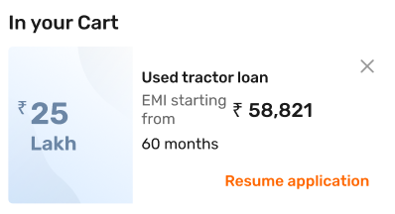 | 1. Cross Icon 2. Resume Application 3. Text(Used tractor Loan….) | Cart_SKU_Product | Y | Y
Master_CTA_Button_Floating |  |  | floating_cta | Y |  |  | Y | Y
Drawer_Content_Drawer |  | 1. Cross Icon 2. Buttons Click 3. Heading text(Delete from Cart) | popup_with_2ctas | Y | Y |  |  |  | Services
Tabs |  | Tabs Click | dynamic_product_tab |  |  |  | Y | Y | Services
Loan_Relation |  | 1. View loan details 2. Make Payment 3. Heading(New Car Loan...) | related_content_links_hyperlinks | Y
Content_Cards_Features_and_Benefits | 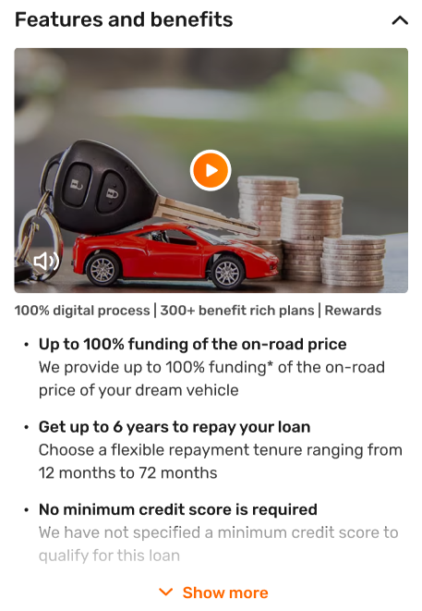 | 1. Watch Video 2. Arrow up/down icons 3. Show more/less 4. Other Hyperlinks | video_description | Y |  |  | Y
Long_Form_Content_Descriptive_List_Eligibility_Criteria/content_cards_eligibility_and_criteria | 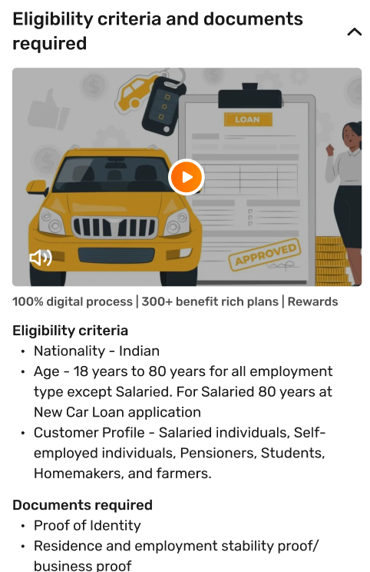 | 1. Watch Video 2. Arrow up/down icons 3. Other Hyperlinks | video_description | Y
Content_Cards_Information_Descriptive_Content_List | 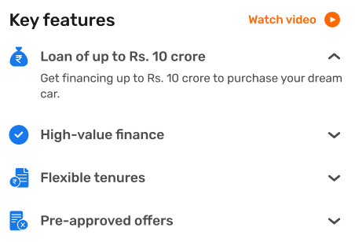 | 1. Watch Video 2. Arrow up/down icons 3. Other Hyperlinks | key_features | Y |  |  |  |  | Services
feedback | 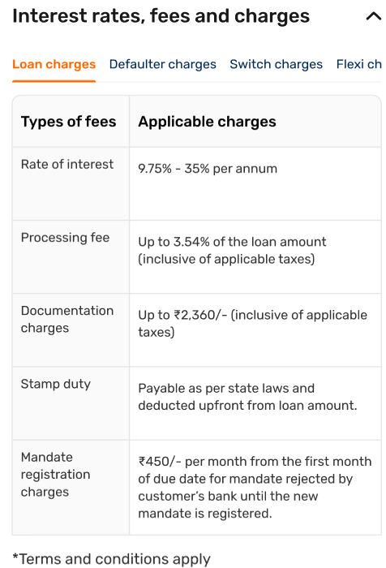 | 1. Tabs Click 2. Arrow up/down icons 3. Other Hyperlinks | fees_and_charges
Loan_Specialist_Get_Call_Back_Queries_Links |  | Get A Callback Click | ctas_card
Articles_Carousel |  | 1. Heading(Related Article….) 2. Read more 3. Title of Article 4. Article Click | article_list | Y |  |  | Y |  | Services
Navigation_Breadcrumb_Link |  | All Hyperlinks | breadcrumb | Y |  |  | Y | Y
Related_links_Content_Hyperlinks |  | All Hyperlinks | related_links | Y |  |  | Y | Y
Product_Carousel_Tiles_Banner_FPS_Video_Carousel_Stack |  | 1. Video Click 2. Title of Video | listing_icons |  | Y |  | Y
My_Relations_Status_Progress_Bar | 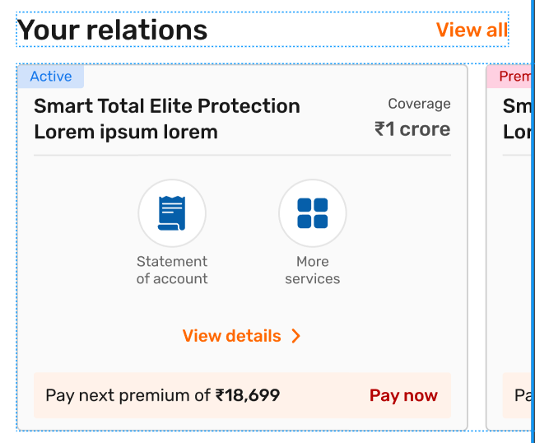 | 1. View all 2. View details 3. Pay now 4. Nudges(Active, Progress…) 5. Heading(Your Relations…) 6. Statement of account 7. More services 8. Title of relation(Smart total…) | relation_progress_card | Y | Y |  | Y |  | web
CLP_Product_Card_Tiles_Grid_Stack | 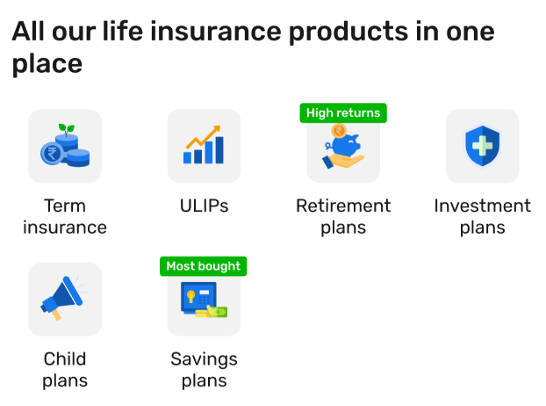 | 1. Heading( All our life….) 2. Cards click 3. Text of Card(Term Ins….) 4. URL/Position 5. Nudges(Hight return…) | listing_tiles
Product_Carousel_Tiles_Banner_FPS_Video_Carousel_Stack | 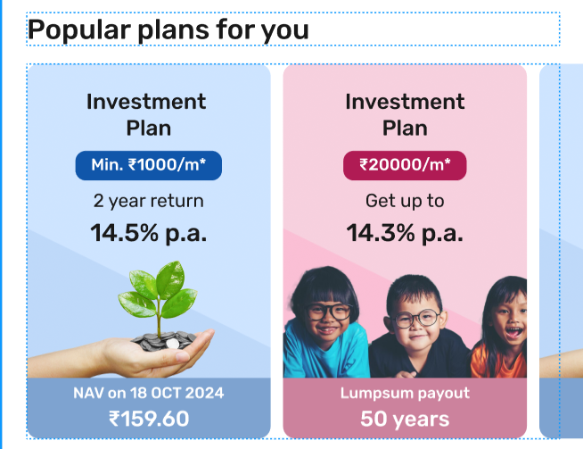 | 1. Heading(Popular plans….) 2. Cards click 3. URL/position | image_carousel |  |  |  | Y
recommended_Plans | 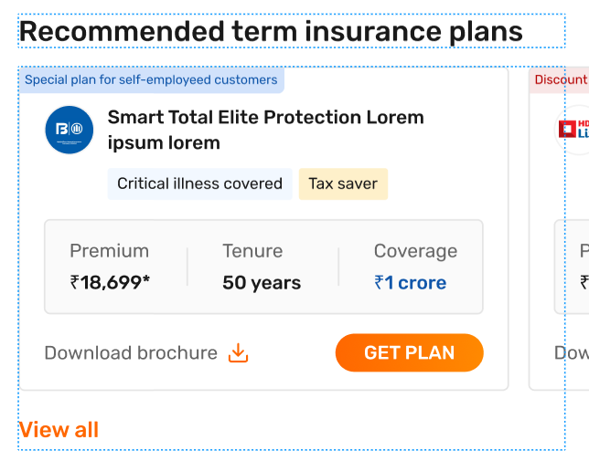 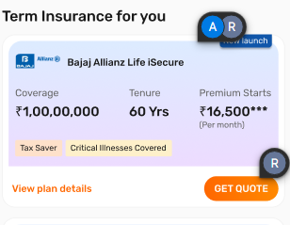 | 1. Heading(Recommended terms..) 2. Get Plan 3. View all 4. Download icon 5. Nudges(Discount…) 6. Plan name(Smart total…) | content_fragment
Product_Card_Tiles_Hero_Banner_Product_Highlight_Carousel | 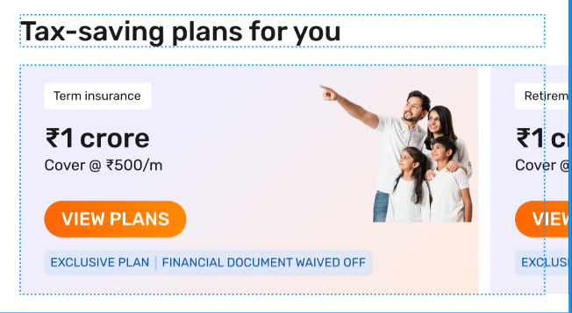 | 1. Heading(Play and learn…) 2. Banner Click 3. URL/Position 4. View all | offers_for_you
Carousel_Banner_Strip_Carousel | 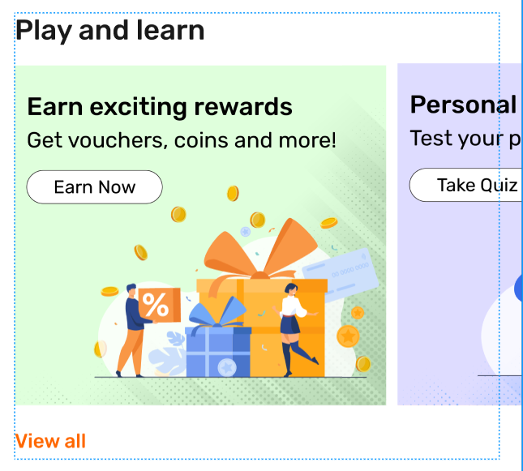 | 1. Heading(Play and learn…) 2. Banner Click 3. URL/Position 4. View all | banner_carousel |  |  |  | Y |  | Services
Success_Thank_You_Application_Approved | 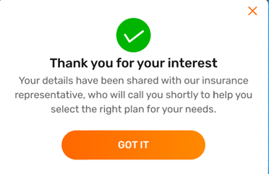 | 1. Got IT 2. Cross Icon 3. Heading (Thank you..) 4. Full message | tooltip
Sign_In_drawers/Pop_ups | 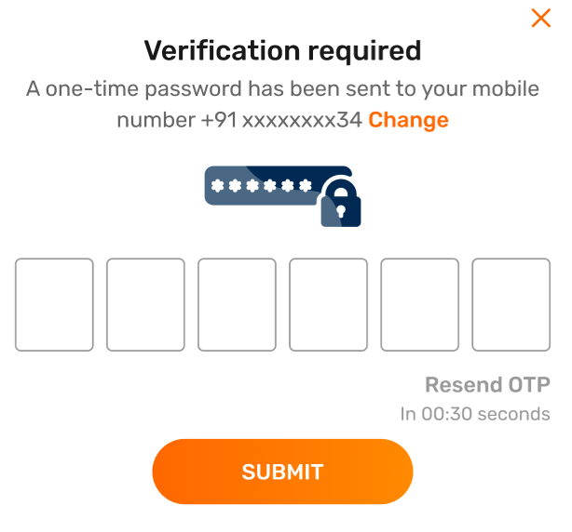 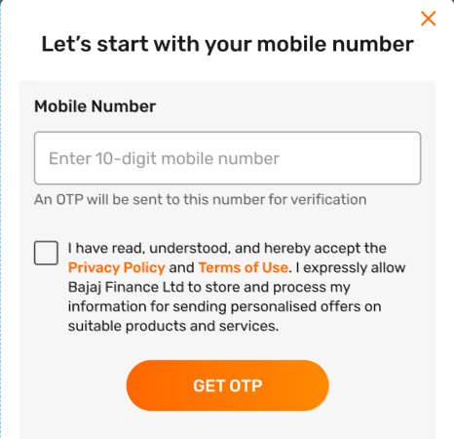 | 1. Cross icon 2. Change 3. Submit 4. Resend OTP 5. Error at submit 6. Error validation(Y/N) 7. Get OTP 8. Checkbox click 9. Privacy Policy/Terms of Use | login_popup | Y |  |  | Y
filter_Bar_Selection_Chips_Chevron | 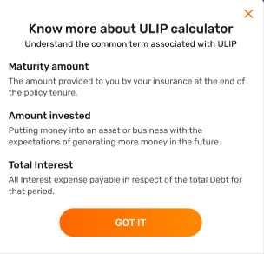 | 1. Got IT 2. Cross Icon 3. Heading (Know more….) | tooltip
Template_Calculator | 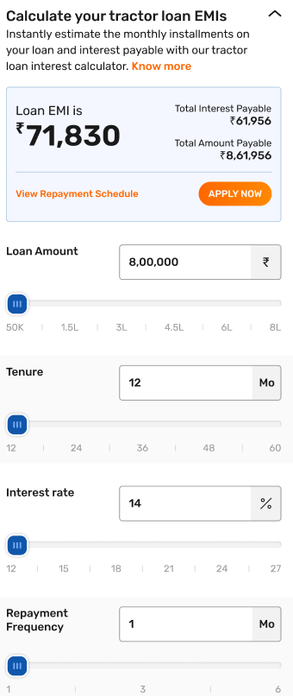 | 1. Know More 2. Apply Now 3. View Repayment Schedule 4. Error Message 5. Loan Amount 6. Tenure 7. Interest Rate 8. Repayment Frequency 9. Error Validation(Y/N) at click | calculator_fragment | Y |  |  | Y
Drawer_Popup_Fees_&_Charges_Payments_Details | 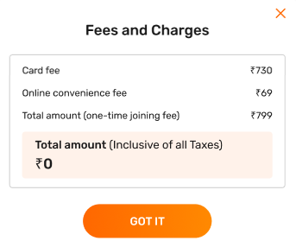 | 1. Cross icon 2. Got It 3. Heading(Fees and Charges…..) | tooltip
Info_Input_Drawers | 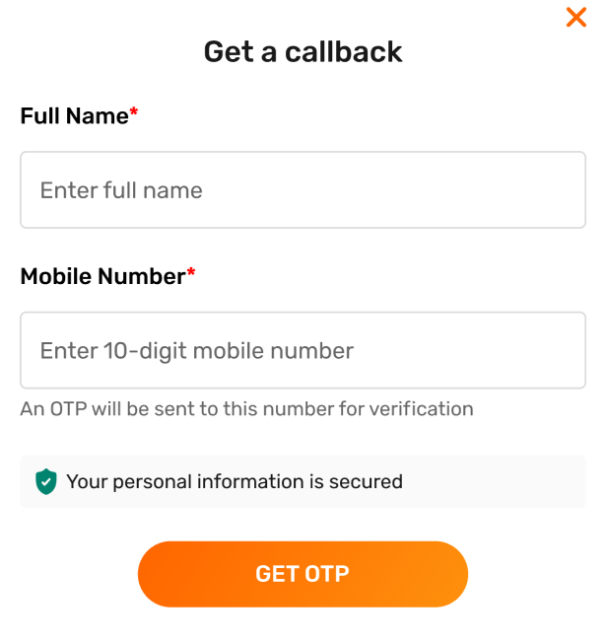 | 1. Cross icon 2. Get OTP 3. Errors 4. Heading(Get a callback) 5. Error Validation(Y/N) at click | rar_popups | Y | Y |  |  |  | Services
Cards_Tiles_Stack | 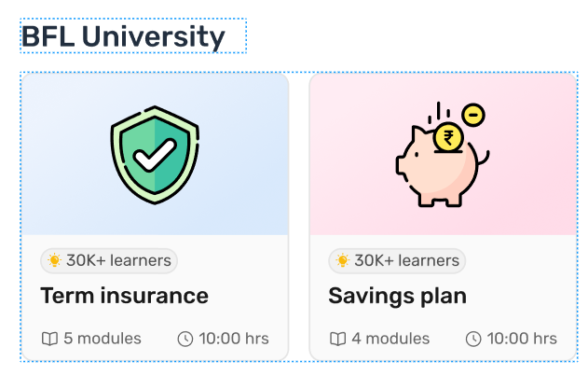 | 1. Heading(BFL University…) 2. Cards Click 3. URL/Position 4. Card Title( Term Insurance….) | listing_tiles
Drawer_Popup_Content_Bodytext | 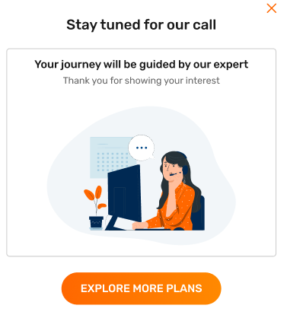 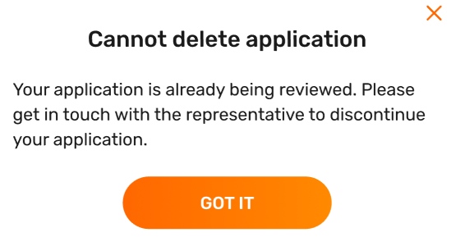 | shre | tooltip | Y | Y |  | Y |  | Services
Drawer_Popup_Filter_Radio_Selection | 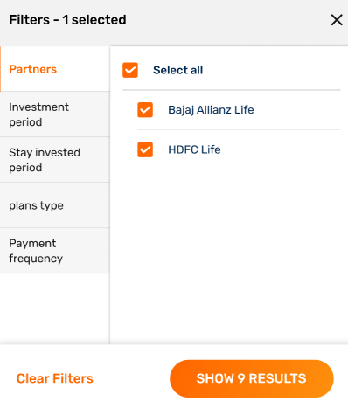 | 1. Corss Icon 2. Checkbox click 3. Clear Filter 4. Show Results 5. Category Selection | filters | Y |  |  |  |  | Services
Calendar | 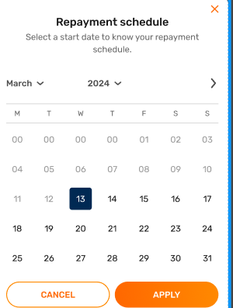 | 1. Cross Icon, other icons 2. Button click 4. Option Selection 5. Error message 6. Error Validation(y/N) at click 7. Heading(Select a date…) | popup_with_date_time_selector |  |  |  | Y
Repayment_Mode_Table_Calculators | 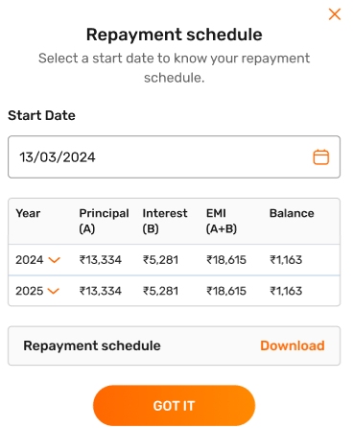 | 1. Cross Icon 2. Got It 3. Calendar Icon 4. Download 5. Heading(Repayment shedule….) | tooltip |  |  |  | Y
NeedHelp_GetaCallBack_Strip |  | 1. Chat with us 2. FAQs | quick_action_tiles |  | Y |  | Y |  | Services
Loan_Summary_Information | 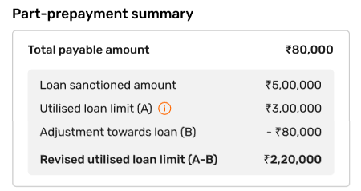 | 1. i icons 2. Loan amount 3. Revised amount | loan_summary | Y | Y
MPIN_Input | 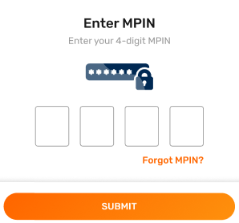 | 1. Submit 2. Forget MPIN 3. Error message 4. Error Validation(Y/N) at click 5. Heading(Enter MPIN) | otp_card
Bottom_Navigation |  | 1. Watchlist click 2. BFL University 3. Portfolio Click 4. Home Click 5. Menu | footer | Y | Y |  | Y | Y | Services
CTA_Full_Bleed_Strip_Banner |  | 1. Banner Click 2. URL | banner_carousel |  |  |  | Y
Carousel_Banner_Strip_Carousel |  | 1. Banner Click 2. URL/Position 3. CTA Click | banner_carousel |  |  |  |  |  | Services
Similar_Stocks_SKU_Carousel |  | 1. Heading(Market today) 2. Card Click 3. URL/Position 4. View all 5. Pencil Icon |  |  |  |  | Y
Drawer_Popup_info |  | 1. Cross icon 2. Watchlist controls
Grid_Bill_&_Recharge_Icons_Tiles_Payments_My_bills_Stack |  | Cards Click | quick_actions
Drawer_OTP_Verification_Numbers_Digits |  | 1. Submit 2. Resend OTP 3. Error message 4. Error Validation(Y/N) at click 5. Heading(Verify mobi….) | otp_card |  |  |  |  |  | Services
CLP_Filter_Sort_by_Checkbox_Selection_List |  | 1. Delete 2. Check box click 3. 3 lines click 4. Error message 5. Error Validation(Y/N) at click | filters
Drawer_Popup_List_Search_Checkbox |   | 1. Cross Icon 2. Check box click 3. Add to Watchlist 4. Error message 5. Error Validation(Y/N) at click 6. Heading(Add to Watchlist) | pop_up_with_selection | Y | Y
Filter_Bar_Selection_Chips_Chevron |  | 1. Sort By 2. Filter Click 3. Heading(All stocks…) | filters |  |  |  | Y
Stocks_Market_Card_SKU_Details |  | 1. Heading(Stocks for you) 2. Stock Click 3. Watchlist icon click 4. View all 5. URL/Position 6. Stock Name |  |  |  |  | Y | Y
Scrolled_ View_Card_Carousel_SKU |  | All Cards Click
Bank_Account_Reminder_Status_Payment |  | 1. Cross Button 2. Pay Now 3. Heading Title
Ticker_Strip_Display_Banner |  | CTION | full_bleed_banner | Y
Drawer_Popup_List_Product_Selection |  | Option Click and its Name
market_securities |  | 1. NSE Click 2. BSE Click 3. Heading
performance_graph |  | Duration Selection
scrip_financials |  | 1. Quarterly 2. Annually | product_form
shareholding_pattern |  | 1. Tabs Click 2. View All
subscription_card_carousel |  | 1. Buy Now Click 2. On which Plan(Heading)
popular_stocks |  | 1. Heading 2. Stocks Click
#VALUE! |  | 1. Heading 2. Chips Click | RAR_l4
Drawer_Popup_Filter_Radio_Selection |  | 1. Cross Button 2. Cancel 3. Apply 4. Option Selected at Apply | pop_up_with_selection |  | Y
Link_CTA |  | See List of documents | related_content_links_hyperlinks |  |  |  |  | Y
Booking_Details_SKU_Card |  | 1.Heading 2. Click on cards 3. Tap to collect | recommended_cards |  | Y
SKU_Card_Offer_World_Product |  | Get Quote |  |  |  |  | Y
Drawer_Content_Drawer |  | 1. Cross Button 2. Get Quote |  |  | Y
Resume_Application_Amount_Details |  | 1. Cross Button 2. Resume 3. Start New Application | popup_with_2ctas | Y
SKU_Card_Product_Square |  | 1. Know More 2. Apply Now 3. Which card has been Selected 4. Journey Tag Identifier(PA/Non PA)
Offer_Update |  | Apply Now | form_widget
Strip_Banner_Info_Icon |  | Strip Click | full_bleed_banner
Filter_Bar_Selection_Chips_Chevron |  | Sign-IN | ctas_card
Infographics_Banner/monetization_hero_carousel |  | Full Strip Ad/ad_banner | monetization_banner |  |  |  | Y
Tables |  | Years Click | product_form
IPO_Card_SKU_Descriptive |  | 1. Tabs Click 2. Mainboard Click 3. SME Click 4. Show More/Less
Carousel_Strip_Card |  | 1. Card Click 2. URL/Position |  |  |  |  |  |  | Services
Forms_Offer_Card_Loan_Selection_Radio_Compare_Loan_Variants_Chips/ forms_offer_card_loan |  | 1. Amount Entered(At Continue) 2. Tenure selected 3. EMI and Interest rate 4. Radio option selected 5. Error | offer_details | Y | Y
Forms_Offer_Card_Loan |  | 1. i Icon 2. Change Offer 3. Amount 4. Tenure | offer_details | Y | Y
Drawer_Forms_Edit_Offer |  | 1. i Icon 2. Continue 3. Cross Icon 4. Amount entered at Continue 5. Error message 6. Tenure 7. Radio Option 8. Error Validation(Y/N) at click | product_form |  | Y
Principal_Sanction_Letter_3:2Ratio |  | 1. Banner Click 2. Banner Text | full_bleed_banner
Status_Card |  | 1. Status Card Heading(Application..) 2. Full message(Our repre..) | journey_end_card
Tags_Nudges |  | Nudge message(5 days remaining)
Info_Card |  | 1. Heading(My referrals Status….) 2. Potential Rewards Value(eg.3004) 3. Total Count(eg.12) 4. In progress Count(eg.7) 5. Completed Count(eg.5) 6. View all Rewards | ctas_card
CTA_Redirection_Link |  | 1. View more 2. View less 3. Heading( Get rewards…) | ctas_card
Note_Banner |  | 1. Full Message 2. Check rates 3. Click here | toastmessage | Y
Loan_Variant_Selection_Cards_Flexi_Term_Carousel_Details_Product |  | 1. Heading(Selected interest..) 2. Option selected 3. I icon 4. Option selected text( On maturity, yearly…) |  | Y
List_Radio_Selection_Payment_Methods |  | 1. Option selection 2. Up/Down icon 3. Heading(Other payment….) | pop_up_with_selection
Payments_Pay_Now_CTA_Card_Amount |  | Pay now | cats_card
Pop_Up_Rate_your_Experience_Like_Dislike |  | 1. Like 2. Dislike 3. Cross icon click | feedback |  |  |  |  |  | Services
Tracker_Card |  | Tracker click | tracker_card
Selection Choice |  | 1. Option selection 2. Error message 3. Error Validation (Y/N) at click | product_form |  | Y |  |  |  | Services
Upload_Document_Attachment |  | 1. Icon Click(Camera/Link) 2. Error Message 3. Error validation(Y/N) at click 4. Retry Icon 5. Heading(Upload Primary..) | product_form |  | Y |  |  |  | Services
Drawer_Popup_Content_Bodytext |  | 1. Continue 2. Error 3. Crosss Icon 4. Option Selected on Continue 5. Heading(Premature withdrawal) |  |  | Y
Action_CTA_card |  | 1. Button Click 2. Heading(Payment Gat…) |  |  |  |  | Y |  | Services
Summary_Card_Loan_Withdrawal |  | 1. Heading(Premature withdr…) 2. All details(FD Number, amount, …..)
Offer Screen |  | 1. Offer screen 2. Offer Amount 3. Tenure |  |  | Y
Compare_Loan_Variants_Table_Comparison_Descriptive |  | 1. Cross icon 2. Tabs Click 3. Got It |  | Y | Y
Videoisation_Action_Video_Strip |  | Watch Video |  | Y | Y |  | Y
Product_Card_Cross_Sell_Details_SKU |  | 1. Card click 2. Icon click (up/Down) 3. Remove 4. T&C Apply 5. Heading(Life Ins…) |  | Y
Allow_Deny_Pop_up |  | 1. Heading(Allow bajaj..) 2. Options click
Bajaj_Coin_Reward |  | 1. Banner Click 2. URL
Bajaj_Coin_Reward |   | 1. Heading(Check your Easy…) 2. Check eligibility 3. Card Click 4. Checkbox click 5. View all 6. Card title(IIT..)
Action_Selection_Card |  | 1. Card click 2. Card title(Preparatory…) 3. URL/Position) |  |  |  |  | Y
Image_Carousel |  | 1. Cross Icon 2. Select 3. Error message 4. Search 5. Heading(Select the category..) 6. Checkbox click 7. Error Validation(Y/N) at click |  |  |  |  |  |  | Services
Selection_Drawer |  | 1. Heading(Choose your lang..) 2. Cross Icon 3. Continue 4. Language selection
language_preference |  | 1. Heading(Auction…) 2. Icon click
Order_Tracking_Steps_Progress_Order_Details_Navigation_Nudge |  | 1. Locate a store 2. Explore
EMI_Card_Usage_List |  | 1. View all transaction 2. Transaction strip/card click 3. Heading(Transaction his…)
Payments_Transactions_List_Amount |  | 1. Heading(Thank you for…) 2. Apply/Remove 3. Voucher click 4. SKIP/Add Voucher 5. Terms and Conditions Apply 6. Cross icon
Drawer_Popup_Promocode |  | Chips click
YourAccount_Chips_Options_Tags |  | 1. Option clicked 2. View profile 3. Chat icon |  |  |  |  |  |  | web
User_Detail_Tiles_User_Options_Grid |  | 1. Menu Click 2. Send icon |  |  |  |  |  |  | web
Chat UI |  | 1. Tabs Click 2. Tile Click/Icon click
IRCTC_Journey_Travel_Destination |  | 1. Cross Icon 2. Share/Download icon
Drawer_Popup_View_Statements_Upload_Files_Share_List_View |   | 1. Video Click 2. Show More 3. Video title(Minimising..) 4. Heading(Videos on mutual…)
Videos_card |  | 1. Tabs 2. Cards/grids/news Click 3. Title of Cards 4. URL/Position 5. All news/Block deals/Corporate Action
IPO_news |  | 1. Pencil Icon 2. Create Watchlist 3. Delete Icon 4. 3 lines
Watchlist |    | 1. Tabs Click 2. Trade now 3. Hide/show 4. Holdings/Reports 5. Reports click and text(Trade summary….)
Portfolio |  | 1. Checkbox Click 2. Error message 3. Save to Cart 4. Verify Email 5. Check offer 6. Get OTP 7. Error Validation (Y/N) at click
CTA_Card_Checkbox |   | 1. Cross Icon 2. Button click 3. Heading(Resume application..) |  |  |  |  |  |  | Services
Resume_Application_Steps_List_Progress |  | 1. Heading(Personal loan….) 2. Card/Tile Title( Application Form...) 3. Icon Click(Download, Share...)
Attachements |  | 1. Heading(Take a photo to …) 2. Icon click(Search, scan..) |  |  |  |  |  |  | Services
Image_Scanner |   | 1. Like impression 2. View offer 3. Full card click 4. Color Click 5. Title(Hyundai venue….) 6. Nudges
Signature |  | 1. Heading(Signature update..) 2. Error message 3. Error Validation(Y/N) at click
product_card |  | 1. Heading(Top Performing ..) 2. View all 3. Tabs Click 4. Invest now 5. Cards Click 6. Checkbox click 7. Fund name(ICICI term…)
Top_Performing_Funds |  | 1. Heading(Nearby branches…) 2. View all branches 3. Call/Share icon 4. Branch name(Bajaj finserv…....)
BajajMall_Stores_near_you_Chose_a_shop |  | Icons Click(Cross, Pause, Audio….)
Video_pop_up |  | Read more/less
Content_Cards_Customer_Reviews_Ratings |  | 1. Links Click 2. Icons Click
Social_Media_Post_Twitter_Card_Instagram_Card |  | 1. Branch name 2. Icons Click(Call, Direction, Share..) 3. Submit a review
Branch_Details_Card |  | 1. Link Click 2. Name(Harjot Singh) 3. Cust ID.
User_Details_Profile_Account |  | 1. Heading(Manage your pro..) 2. Icon Click 3. Strip Click
List_L2_Navigation_Redirection_Item_Card |  | 1. Cross Icon 2. Button click 3. Icons Click(Download, Language….) 4. Language selected
Drawer_Scrollable_List_Descriptive |  | Search
Search |  | 1. Heading(Mobile Phones…) 2. Video Click 3. Video Title(Lorem ip..) 4. Position
Video_listing |  | 1. Prev/Next click 2. Page number click
Page_navigation |  | 1. Heading(Exploring lap..) 2. Video Click 3. Nudge(Live..)
Video_card |  | 1. Heading(Creator Zone…) 2. Card click 3. Card Title(yagvik Sharma….) 4. Position/URL
social_icons |  | Icons Click(facebook,instagram,youtube….)
icon_cards_banner_carousel |  | 1.link click 2. icon/button click
top_navigation_bar_header |  | icon click |  |  | Y |  | Y | Y
cards_tiles_stack |  | 1. heading(subscription…) 2. cards click 3. url/position 4. card title(bajaj prime….)
locator_map |  | 1. button click 2. use current location 3. add address details |  |  |  |  |  |  | Services
login_popup |  | 1.icon click 2.button click |  | Y |  |  | Y |  | Services
locator_map |  | 1. button click 2. go to locator 3. heading(find...)
category_listing |   | 1.icon/button click |  | Y |  |  | Y
coachmarks |  | 1. button click 2. icon click |  |  |  |  |  |  | Services
social_icons |  | icon click
icons_click |   | 1.share_icon 2.icon click
social_icons |  | 1.heading(share...) 2.icon click 3.cancel 4.button click |  | Y
hero_banner |  | 1. banner click 2. button click 3. position/url 4. Swiper click |  |  |  |  |  |  |  | Y
game_zone_new |  | 1. banner click 2. button click 3. position/url 4. Heading | popup |  |  |  |  |  |  | Y
shop_online_with_insta_emi_card |  | 1. banner click 2. button click 3. position/url 4. Heading |  |  |  |  |  |  |  | Y
store_locator |  | 1. banner click 2. button click 3. Heading |  |  |  |  |  |  |  | Y
strip_banner_3 |  | 1. banner click 2. button click 3. Heading 4. Swiper Click |  |  |  |  |  |  |  | Y
cibil_banner |  | 1. banner click 2. button click 3. Heading |  |  |  |  |  |  |  | Y
best_seller_loan |  | 1. banner click 2. Heading 3. position/url |  |  |  |  |  |  |  | Y
health_emi_card_offers |  | 1. banner click 2. button click 3. position/url 4. Heading |  |  |  |  |  |  |  | Y
exclusive_offers |  | 1. banner click 2. button click 3. position/url 4. Heading |  |  |  |  |  |  |  | Y
stack_banner |  | 1. banner click 2. position/url 3. Heading |  |  |  |  |  |  |  | Y
why_choose_us |  | 1. banner click 2. Heading |  |  |  |  |  |  |  | Y
pre_approved_2 |  | 1. banner click 2. button click 3. position/url 4. Heading |  |  |  |  |  |  |  | Y
strip_banner_2 |  | 1. banner click 2. Heading 3. button click |  |  |  |  |  |  |  | Y
strip_banner |  | 1. banner click |  |  |  |  |  |  |  | Y
pre_approved_1 |  | 1. banner click 2. Heading 3. position/url |  |  |  |  |  |  |  | Y
tile_grid_product_banner |  | 1. banner click 2. Heading 3. position/url |  |  |  |  |  |  |  | Y
partner_offers |   | 1. banner click 2. button click 3. position/url 4. Heading |  |  |  |  |  |  |  | Y
help_banner |  | 1. banner click 2. button click 3. position/url 4. Heading |  |  |  |  |  |  |  | Y
offer_world |  | 1. banner click 2. position/url 3. Heading |  |  |  |  |  |  |  | Y
bajaj_mall_hero_banners |   | 1. banner click 2. button click 3. position/url 4. Heading |  |  |  |  |  |  |  | Y
bajaj_mall_banners |   | 1. banner click 2. button click 3. position/url 4. Heading |  |  |  |  |  |  |  | Y
search_bar |    | search button click icon click tab click |  | Y | Y |  | Y | Y | Services
product_card_grid |   | 1. heading(other products…..) 2. card click 3. url/position 4. text (banking…...) 5. icon click(slider) |  |  | Y |  | Y |  | Services
features_and_benefits |  | 1. arrow up/down icons 2. show more/less 3. button click |  |  |  |  | Y
attachments |  | 1. icon click 2. share/download
language_preference |  | 1. heading(download...) 2. cross icon 3. continue 4. language selection
vertical_video_carousel |  | 1. Video Click 2. URL/Position 3. Compoent Heading(Watch our reels) 4. Video Title
consent_login_drawer |   | 1.button click 2.continue 3.heading(redirecting...)/"cross icon button click link click checkbox click" | consent_for_login
consent_login_drawer |  | 1.button click 2.continue 3.cross icon 4.heading(redirecting...)
ai_overview |   | 1.read more 2.icon click 3.apply now 4.video click 5.cards click 6.blu+listen | ai_overview
ai_overview |  | 1.ai_overview_drawer_popup 2.cross icon click 3.got it 4.read more 5.up/down icon click 6.blu+listen | ai_overview_drawer
{{dynamic as per home page clickstream}} |  | 1.heading(electronics...) 2.view all 3.icon/card click 4.ai overview 5.nudge msg(free installation) 6. Long Press | {{dynamic as per home page clickstream}}
local_ai_assist |  | 1.local_ai_assist_floating_cta 2.icon/button click 3.ask ai | local_ai_assist_badge
local_ai_assist |     | 1.local_ai_assist_drawer_popup 2.cross icon click 3.read more 4.up/down icon click 5.blu+listen icon 6.button/icon click | local_ai_assist_drawer
local_ai_assist |   | 1.ask ai 2.tab click 3.watch video 4.up/down icon click 5.video click | voice_ai_assist_badge
voice_ai_assist |    | 1.voice_assist_drawer_popup 2.cross icon click 3.blu+listen icon 4.button/icon click 5.search bar 6.chatui-bounding-box-blu-input 7.header search | voice_ai_assist_drawer
in_page_search |   | 1.in_page_search_drawer_popup | in_page_search
in_page_search |  | 1.seach document 2.in_page_search | in_page_search_badge
ai_customer_review |  | 1.ai_customer_review 2.heading(what...) 3.chips click | ai_customer_review
blu_invocation |   | 1.blu_invocation_drawer_popup 2.blu+listen 3.blu icon 4.icon click 5.card click | blu_invocation
drawer_popup_vision_pod |  | 1.drawer_popup_vision_pod 2.cross icon 3.button click 4.upload/capture 5.slider click 6.heading(scan...) | drawer_popup_vision_pod_upload_doc
drawer_popup_vision_pod |  | scan | drawer_popup_vision_pod
drawer_popup_vision_pod |   | toast_message | drawer_popup_vision_pod_fetching_details
drawer_popup_vision_pod |  | button click icon click | password_protected_file
gyde_popup |  | 1. cross icon click 2. button/icon click | gyde_popup
gyde_popup/voice_assistant_popup |   | 1. cross icon click 2. button/icon click
request_drawer |  | 1. cross icon 2. button click 3. radio click 4. option selection 5.link click
whats_next_cta |   | see list of documents link click button click option selection
drawer_popup |  | 1. cross icon 2. button click 3.heading(select...) | drawer_redirection
experian_drawer |  | 1. cross icon 2. continue/full manually 3. show more/less 4. input box click and name 5. error field level 6. error validation(y/n) at continue 7.icon click
review_document |  | 1. button click 2. heading
product_info |  | link click star icon click | adp_title_card/product_info
sku_card_product_square |  | 1. apply now 2.card click
check_eligibility |  | check_eligibility
long_form_content |   | 1. watch video 2. arrow up/down icons 3. other hyperlinks
trust_component |   | 1.icon click
calculator |  | 1. check loan offers 2. call us 3. input chips click 4. Error Message 5. Error Validation(Y/N) at click 6.info icon 7.tab click 8.loan amount input pdp 9.heading(calculate...)
drawer_popup |    | 1. cross icon 2. download 3. download icon,open,close icon 4.got it 5.radio click
offer_banner_1 |  | 1. heading(explore other loan offers) 2.banner click
input_text_field |   | 1. info icons 2. field level errors 3. error validation(y/n) at click 4.icon click
hamburger |  | 1.) Tab Clicks 2.) icon click 3.)link click 4. card click
aa_title_info |  | 1.info icon 2.watch video 3.icon click
drawer_download_app_qr_list_popup |  | 1. heading(welcome…) 2. cross icon 3. got it
drawer_pnr_status |  | 1.button_click 2. icon_click 3.link_click
drawer_post_your_question_input_drawer |  | 1. icon_click 2. button_click
news_category_listing |  | link click
open_demat_popup |  | 1.nudge message 2.button click
ipo_card_sku_table |  | link click Icon click
ipo_news |  | view all Read more Card click
ipo_card_sku_descriptive |  | 1. tabs click 2. cards click 3. chips click 4. view all
compare_plan |   | button click Tab click Icon click
listing_icons |  | card_click
drawers_popups |  | 1. cross icon click 2. button/icon click
contactless_payment_qr_code_smartphone |  | scan icon click | find_a_code_to_scan
login_popup |  | icon click button click | qr_get_otp
consent_login_popup |  | cross icon button click link click checkbox click
cta_strip_card |  | 1.icon icon 2.button click 3.card click
info_card |  | 1. heading(emi network….) 2. info icon 3. nudge message(active,blocked) 4. start shopping on emi 5. language icon 6. loan amount 7.card click
cards_tiles |  | 1. heading(trending…) 2. cards click 3. url/position 4. view offer
choose_instalment_plans |  | 1. radio click 2. view charges 3.heading(choose...)
footer |  | 1. Icon_click 2. link_click
adp_miniform |  | 1.scan click 2.field level error 3.button/link click
social_media_post_twitter_card_instagram_card |  | video click | latest_from_social
card_refund_premium |   | video click
hamburger_top_banner |  | 1.icon click(arrow open,close) 2.bajaj pay
hamburger_mobile_language_and_chips |  | 1.card click 2.button click
hamburger_rhs_tiles |  | icon click
hamburger_lhs_tiles |  | icon click
pnr_drawer |  | 1. cross icon 2. button click 3. radio click 4. option selection 5.link click
learning_center |  | icon click | full_news
info_card |  | 1. heading(emi network….) 2. info icon 3. nudge message(active,blocked) 4. start shopping on emi 5. language icon 6. loan amount 7.card click | carded_user_top_cta
cta_strip_card |   | button click | vc_user_top_cta/non_carded_user_top_cta
product_card_checkout |   | 1. info icons 2. loan amount 3.checkbox click

DS
Component (hardcode) | Screenshot
Top_Navigation_Bar_Header
search_bar
financial_stack
banner_carousel
banner_carousel | 
strip_banner
icon_cards_banner_carousel | 
listing_tiles_with_scroll | 
relations_progress_card | 
strip_banner
listing_tiles_loan_offers | 
payment_reminder_card | 
cart | 
video_ad_banner | 
listing_tiles_loan_offers | 
homepage_listing_tiles | 
listing_tiles_loan_offers | 
homepage_listing_tiles | 
homepage_listing_tiles | 
homepage_listing_tiles | 
homepage_listing_tiles | 
homepage_listing_tiles | 
listing_tiles_loan_offers | 
homepage_listing_tiles | 
listing_tiles_loan_offers | 
homepage_listing_tiles | 
listing_tiles_loan_offers | 
homepage_listing_tiles | 
homepage_listing_tiles | 
homepage_listing_tiles | 
listing_tiles_loan_offers | 
homepage_listing_tiles | 
homepage_listing_tiles | 
homepage_listing_tiles | 
listing_tiles_loan_offers | 
homepage_listing_tiles | 
homepage_listing_tiles | 
homepage_listing_tiles |  
strip_banner
homepage_listing_tiles | 
homepage_listing_tiles | 
homepage_listing_tiles | 
warning_strip
homepage_listing_tiles | 
strip_banner
carousel_tiles | 
strip_banner | 
strip_banner
carousel_tiles | 
strip_banner
banner_carousel | 
homepage_listing_tiles | 
banner_carousel | 
banner_carousel | 
review_and_ratings
strip_banner | 
articles_and_insights | 
homepage_listing_tiles | 
category_listing

